BI
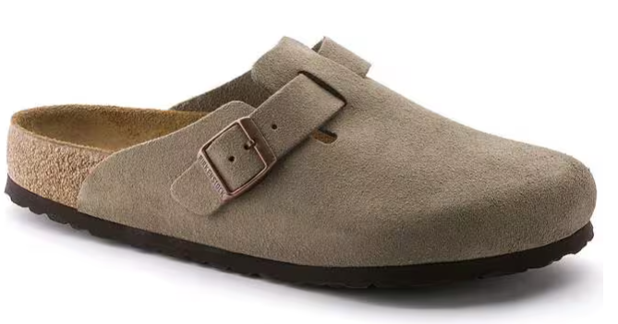
Picture | Reference | Model | Size
 |  |  |  | Offer Qty. | Retail
 | .0560773 | Birkenstock Boston Taupe | 45 | 6 | € 160.00
 | .0560773 | Birkenstock Boston Taupe | 44 | 16 | € 160.00
 | .0560773 | Birkenstock Boston Taupe | 43 | 28 | € 160.00
 | .0560773 | Birkenstock Boston Taupe | 42 | 38 | € 160.00
 | .0560773 | Birkenstock Boston Taupe | 41 | 28 | € 160.00
 | .0560773 | Birkenstock Boston Taupe | 40 | 27 | € 160.00
 | .0560773 | Birkenstock Boston Taupe | 39 | 46 | € 160.00
 | .0560773 | Birkenstock Boston Taupe | 38 | 46 | € 160.00
 | .0560773 | Birkenstock Boston Taupe | 37 | 27 | € 160.00
 | .0560773 | Birkenstock Boston Taupe | 36 | 10 | € 160.00
 |  |  |  | 272

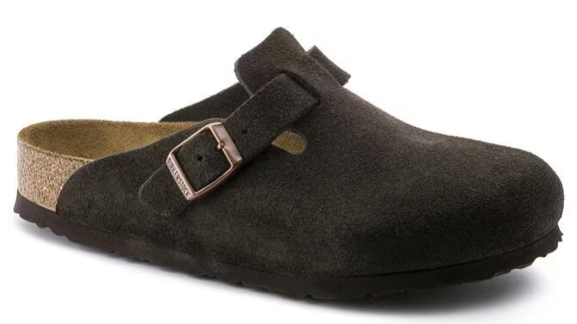
 | .0660463 | Birkenstock Boston Mocca | 45 | 7 | € 160.00
 | .0660463 | Birkenstock Boston Mocca | 44 | 12 | € 160.00
 | .0660463 | Birkenstock Boston Mocca | 43 | 18 | € 160.00
 | .0660463 | Birkenstock Boston Mocca | 42 | 18 | € 160.00
 | .0660463 | Birkenstock Boston Mocca | 41 | 12 | € 160.00
 | .0660463 | Birkenstock Boston Mocca | 40 | 12 | € 160.00
 | .0660463 | Birkenstock Boston Mocca | 39 | 18 | € 160.00
 | .0660463 | Birkenstock Boston Mocca | 38 | 18 | € 160.00
 | .0660463 | Birkenstock Boston Mocca | 37 | 12 | € 160.00
 | .0660463 | Birkenstock Boston Mocca | 36 | 11 | € 160.00
 |  |  |  | 138

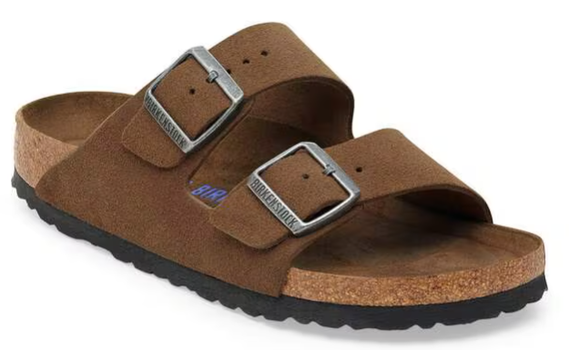
 | 1030865 | Birkenstock Arizona Dark Tea | 42 | 6 | € 130.00
 | 1030865 | Birkenstock Arizona Dark Tea | 41 | 24 | € 130.00
 | 1030865 | Birkenstock Arizona Dark Tea | 40 | 48 | € 130.00
 | 1030865 | Birkenstock Arizona Dark Tea | 39 | 90 | € 130.00
 | 1030865 | Birkenstock Arizona Dark Tea | 38 | 90 | € 130.00
 | 1030865 | Birkenstock Arizona Dark Tea | 37 | 54 | € 130.00
 | 1030865 | Birkenstock Arizona Dark Tea | 36 | 19 | € 130.00
 | 1030865 | Birkenstock Arizona Dark Tea | 35 | 6 | € 130.00
 |  |  |  | 337

 |  | TOTAAL |  | 747

